RTL
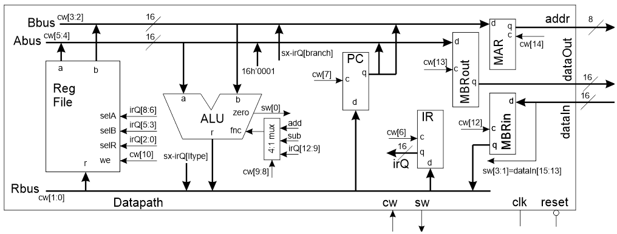

 | 14 | 13 | 12 | 11 | 10 | 9,8 | 7 | 6 | 5,4 | 3,2 | 1,0
Code | MAR | MBRout | MBRin | RAM WE | RF WE | ALU | PC | IR | ABUS | BBUS | RBUS
00 or 0 | hold | hold | hold | no write | No | IR[12:9] | Hold | Hold | RFa | RFb | MBR
1 |  |  |  |  |  |  |  |  | 0x01
10 |  |  |  |  |  | Sub |  |  |  | IR[BR] | IR[IMM]
11 or 1 | load | load | load | write | Write | Add | Load | Load | PC | PC | ALU | Autofilled to cut-and-paste into control unit

FETCH1 |  |  |  |  |  |  |  |  |  |  |  | localparam FETCH1_CW = 15'b;
FETCH2 |  |  |  |  |  |  |  |  |  |  |  | localparam FETCH2_CW = 15'b;
FETCH3 |  |  |  |  |  |  |  |  |  |  |  | localparam FETCH3_CW = 15'b;
ALU_OP |  |  |  |  |  |  |  |  |  |  |  | localparam ALU_OP_CW = 15'b;
LOAD_IMM |  |  |  |  |  |  |  |  |  |  |  | localparam LOAD_IMM_CW = 15'b;
BEQ1 |  |  |  |  |  |  |  |  |  |  |  | localparam BEQ1_CW = 15'b;
BEQ2 |  |  |  |  |  |  |  |  |  |  |  | localparam BEQ2_CW = 15'b;
LOAD1 |  |  |  |  |  |  |  |  |  |  |  | localparam LOAD1_CW = 15'b;
LOAD2 |  |  |  |  |  |  |  |  |  |  |  | localparam LOAD2_CW = 15'b;
LOAD3 |  |  |  |  |  |  |  |  |  |  |  | localparam LOAD3_CW = 15'b;
STORE1 |  |  |  |  |  |  |  |  |  |  |  | localparam STORE1_CW = 15'b;
STORE2 |  |  |  |  |  |  |  |  |  |  |  | localparam STORE2_CW = 15'b;

